Radial
RADIAL READINGS PROTOCOL

Client Name: |  |  |  |  | Date:
Equipment Name:

Gear Details:-
Make: |  | Type: | Spur / Helix | Face Width:
Module: |  | No. of Teeth: |  | Helix Angle:
Spring Plate Type: | Y / I | Drive Type: | Single / Twin | Direction of Rotation*: | Clockwise / AntiClockwise
* Direction of rotation is determined as seen from Kiln outlet towards the inlet, i..e against material flow

Radial Run Out
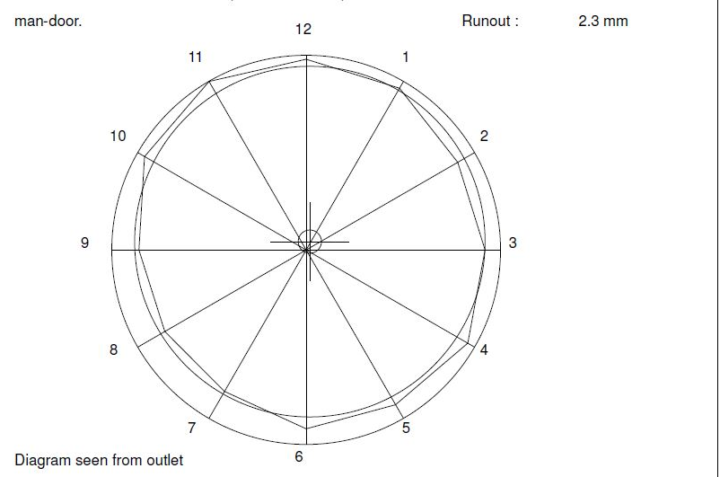

Results:
Measured Radial Run Out:
Allowable Radial Run out:

For FLSmidth |  |  | For Client
 |  |  |  |  |  | ;

